Invoice
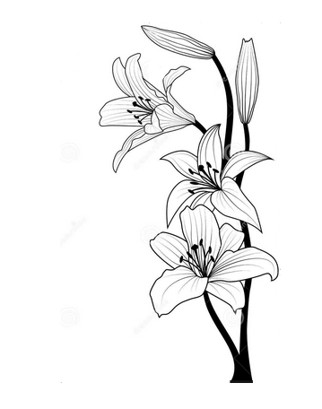 | Lizpa Landscaping, Inc.

 | Bill To: | Enclave C/O Sentry Management Inc. | Phone: | 407-788-6700 ext 51209 | Invoice #: | 1773
 | Address: | 2180 W. State Rd. 434 Suite 5000 Longwood, FL 32779 | Fax: | 407-788-7488
 | Service Address: | Enclave 1397 Benevolent St. Maitland, FL 32751 | Email: | mpogue@sentrymgt.com | Invoice Date: | 2025-11-11

 | Qty | Description |  |  |  | Price

Performed inspection on following zones:
Zone 4- 1 broken head
Zone 5- 2 broken risers, 1 broken 12” head
Zone 11- 1 broken head
Zone 18- 1 broken head
Zone 20- 1⁄2” broken pipe
Zone 24-1 broken head
Zone 25- 1 broken head
Zone 27- 3 broken head, 1 nozzle, 1 broken nozzle
Zone 28- inoperable.*See note 2
Zone 30- 1 broken head
Zone 31- 1 broken head
Zone 36- 2 broken heads
Zone 39- inoperable. Very low pressure. 1 broken head. *See note 3
While performing an inspection, we noticed that many zones had low pressure, sprinklers would not even pop up because
the grass had grown over, and we had to uncover the sprinklers. We also found that the pump station by the lake was not feeding the system because someone else had shut off the gate valve. 3 pressure gauges need to be changed because they are not readable. On the pump station by Hope Rd, the 2 pressure switches had to be changed as they could no longer be used to properly calibrate the pressure cut on-off due to heavy corrosion and rust. It would cause the booster pump to not turn on properly, and is one of the reasons for low pressure. Filled in the hole with rocks and a downspout splash block in the area by the flush valve by the lake to prevent further washout. NOTE 1: The booster pump in the pump station by the lake is still not working, as stated before in previous inspections. NOTE 2: Valve for zone 28 was found manually closed by someone. NOTE 3: Valve for zone 39 (area by pool) was found almost completely closed by someone else, the sprinklers would not even pop up.

 |  |  |  |  |  | $1,940.00

Price breakdown as follows

 | Make all checks payable to Lizpa Landscaping, Inc.
 | Thank you for your business!! |  |  |  | TOTAL | $1,940.00

